Sheet1
Review Marketing Planning
 | Total Points | Culmulative Completed | Estimated Trajectory
Sprint | 80 | 15 | 0
160 | 200 | 30 | #N/A
161 | 300 | 48 | #N/A
162 | 360 | 70 | #N/A
163 | 420 | 72 | #N/A
164 | 430 | 96 | #N/A
165 | 430 | 141 | #N/A
166 | 430 | 211 | #N/A
167 | 475 | 286 | #N/A
168 | 540 | 366 | #N/A
169 | 540 | 400 | #N/A
170 | 540 |  | #N/A
171 | 540 |  | #N/A
172 | 540 |  | #N/A
173 | 540 |  | #N/A
174 | 540 |  | 540
175
Sprint | Sprint Point Estimates | Total Points | Completed | Culmulative Completed | Estimated Trajectory
160 | 80 | 80 | 15 | 15 | 0
161 | 120 | 200 | 15 | 30 | #N/A
162 | 100 | 300 | 18 | 48 | #N/A
163 | 60 | 360 | 22 | 70 | #N/A
164 | 60 | 420 | 2 | 72 | #N/A
165 | 10 | 430 | 24 | 96 | #N/A
166 | 0 | 430 | 45 | 141 | #N/A
167 | 0 | 430 | 70 | 211 | #N/A
168 | 45 | 475 | 75 | 286 | #N/A
169 | 65 | 540 | 80 | 366 | #N/A
170 | 0 | 540 | 34 | 400 | #N/A
171 | 0 | 540 |  |  | #N/A
172 | 0 | 540 |  |  | #N/A
173 | 0 | 540 |  |  | #N/A
174 | 0 | 540 |  |  | #N/A
175 | 0 | 540 |  |  | 540

 |  |  |  |  |  | Identify Fisrt sprint with when Story is Done with Points on It.
 |  |  |  |  |  | Get ChangeLog with Date on First Story Point Change - Sprint Total Points
 |  |  |  |  |  | Get ChangeLog with Date on Done - Sprint Complete

 |  |  |  |  |  | Just Go out 5 sprints from the last reported Completed Sprint

Sheet2
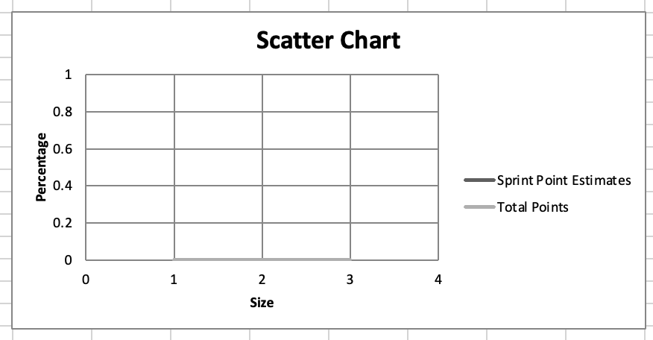
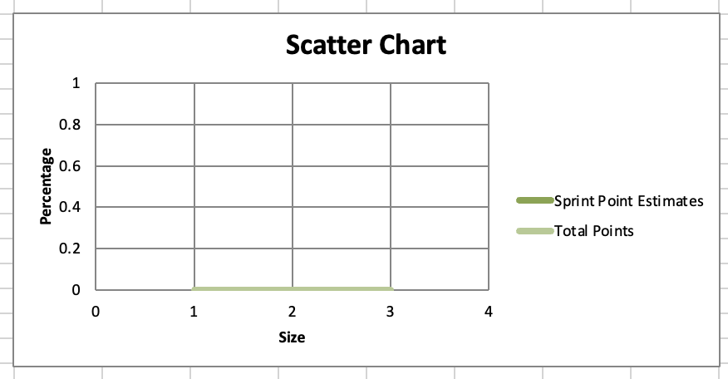
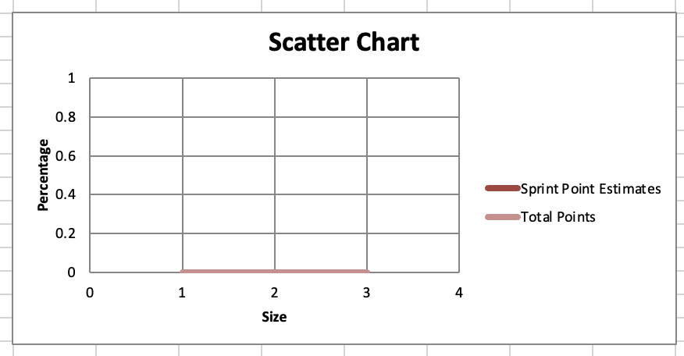
Scatter
Style 13 | 12 | 1

